Covid-19
Covid-19 infection projection

Number of infected persons per contact %

Ro | 2.5 | virus’s reproduction number = the number of people (on average) that one infected person will infect in a given time period
in (days) | 5.0 | average time taken to infect R0 persons; depends upon how often the infected persons come into contact with other people

 | Number of infected persons in (number of) days
Contact level | 0 | 5 | 10 | 15 | 20 | 25 | 30
100% | 1 | 4 | 10 | 25 | 64 | 162 | 406
75% | 1 | 3 | 6 | 13 | 25 | 49 | 92
50% | 1 | 2 | 4 | 6 | 8 | 11 | 15
25% | 1 | 2 | 2 | 2 | 2 | 3 | 3

A contact level of 25% means that infected persons restrict contact to other persons to just a quarter of normal levels

WZ
Contact level | Now | After 5 days… | After 30 days…
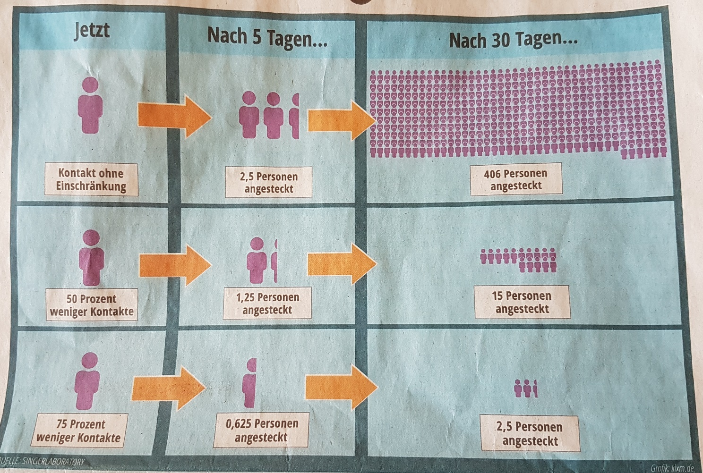

100% |  |  |  | 406 people infected
(no restriction)

50% |  |  |  | 15 people infected
(i.e. 50% less)

25% |  |  |  | Just 2,5 people infected
(i.e. 75% less)

 | © Westdeutsche Zeitung 21.3.2020
 | Source: Singerlaboratory

